Blackstone CQP Holdco
Issuer Name | Blackstone CQP Holdco
Business Description | Cheniere Energy Partners, L.P. ("CQP") is a publicly-traded Delaware limited partnership formed in 2006 by Cheniere Energy, Inc. (“CEI”) a world leader in LNG export. Through its wholly owned subsidiary, Sabine Pass Liquefaction (“SPL”), CQP owns 5 fully-operational and contracted LNG Trains, with a fully-permitted, planned 6th train in late-stage development.
CLO Analyst | Daniel Marcel
HF Analyst
Credit Score | N/A
Agent Bank | Morgan Stanley
Sponsor | Blackstone (CQP)

Quarter Ended | 2021-03-31 | 2020-12-31 | 2020-09-30 | 2020-06-30 | 2020-03-31 | 2019-12-31 | 2019-09-30 | 2019-06-30 | 2019-03-31 | 2018-12-31 | 2018-09-30 | 2018-06-30 | 2018-03-31

Revenues | 1,963.0 | 1,997.0 | 982.0 | 1,470.0 | 1,718.0 | 1,908.0 | 1,476.0 | 1,705.0 | 1,749.0 | 1,886.0 | 1,529.0 | 1,407.0 | 1,593.0
YoY Growth | 14.3% | 4.7% | -33.5% | -13.8% | -1.8% | 1.2% | -3.5% | 21.2% | 9.8%
Organic Growth | - | - | - | - | - | - | - | - | - |  |  |  |  | Corporate Structure
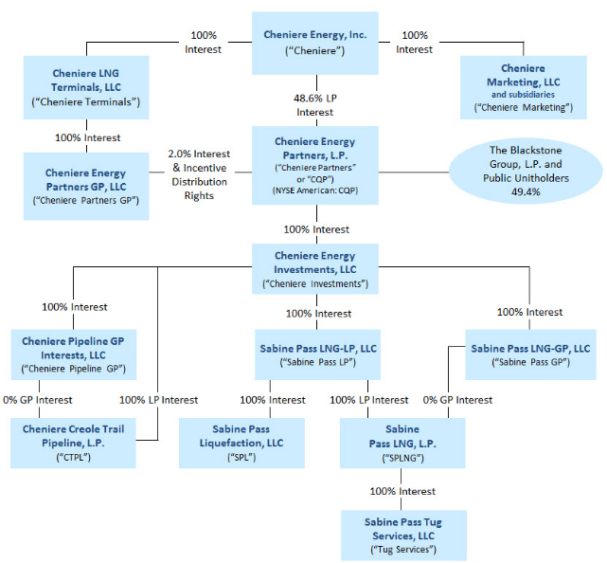
Cash EBITDA | 779.0 | 772.0 | 352.0 | 846.0 | 792.0 | 766.0 | 543.0 | 591.0 | 607.0 | 681.0 | 604.0 | 562.0 | 659.0
Margin | 39.7% | 38.7% | 35.8% | 57.6% | 46.1% | 40.1% | 36.8% | 34.7% | 34.7% | 36.1% | 39.5% | 39.9% | 41.4%

Transaction Expenses | 0.0 | 0.0 | 0.0 | 0.0 | 0.0 | 0.0 | 0.0 | 0.0 | 0.0 | 0.0 | 0.0 | 0.0 | 0.0
Restructuring & Integration | 0.0 | 0.0 | 0.0 | 0.0 | 0.0 | 0.0 | 0.0 | 0.0 | 0.0 | 0.0 | 0.0 | 0.0 | 0.0
Other | 0.0 | 0.0 | 0.0 | 0.0 | 0.0 | 0.0 | 0.0 | 0.0 | 0.0 | 0.0 | 0.0 | 0.0 | 0.0
PF EBITDA | 779.0 | 772.0 | 352.0 | 846.0 | 792.0 | 766.0 | 543.0 | 591.0 | 607.0 | 681.0 | 604.0 | 562.0 | 659.0

LTM PF EBITDA | 2,749.0 | 2,762.0 | 2,756.0 | 2,947.0 | 2,692.0 | 2,507.0 | 2,422.0 | 2,483.0 | 2,454.0 | 2,506.0
PF Cost Saves | 0.0 | 0.0 | 0.0 | 0.0 | 0.0 | 0.0 | 0.0 | 0.0 | 0.0 | 0.0
PF Acquisition Adjustment | 0.0 | 0.0 | 0.0 | 0.0 | 0.0 | 0.0 | 0.0 | 0.0 | 0.0 | 0.0
Covenant EBITDA | 2,749.0 | 2,762.0 | 2,756.0 | 2,947.0 | 2,692.0 | 2,507.0 | 2,422.0 | 2,483.0 | 2,454.0 | 2,506.0

PF EBITDA | 779.0 | 772.0 | 352.0 | 846.0 | 792.0 | 766.0 | 543.0 | 591.0 | 607.0 | 681.0 | 604.0 | 562.0 | 659.0
Interest | (211.0) | (268.0) | (153.0) | (272.0) | (211.0) | (205.0) | (269.0) | (170.0) | (185.0) | (133.0) | (236.0) | (108.0) | (242.0)
Cash Taxes | 0.0 | 0.0 | 0.0 | 0.0 | 0.0 | 0.0 | 0.0 | 0.0 | 0.0 | 0.0 | 0.0 | 0.0 | 0.0
Working Capital | (101.0) | (148.0) | 317.0 | (249.0) | (40.0) | (192.0) | 217.0 | (83.0) | (93.0) | 57.0 | 24.0 | 79.0 | (158.0)
Restructuring/One-Time | 0.0 | 0.0 | 0.0 | 0.0 | 0.0 | 0.0 | 0.0 | 0.0 | 0.0 | 0.0 | 0.0 | 0.0 | 0.0
Other | 0.0 | 0.0 | 0.0 | 0.0 | 0.0 | 0.0 | 0.0 | 0.0 | 0.0 | 0.0 | 0.0 | 0.0 | 0.0
OCF | 467.0 | 356.0 | 516.0 | 325.0 | 541.0 | 369.0 | 491.0 | 338.0 | 329.0 | 605.0 | 392.0 | 533.0 | 259.0
Capital Expenditures | (190.0) | (177.0) | (214.0) | (264.0) | (317.0) | (175.0) | (571.0) | (302.0) | (283.0) | (226.0) | (233.0) | (151.0) | (194.0)
FCF | 277.0 | 179.0 | 302.0 | 61.0 | 224.0 | 194.0 | (80.0) | 36.0 | 46.0 | 379.0 | 159.0 | 382.0 | 65.0

ABL/RCF | 0.0 | 0.0 | 0.0 | 0.0 | 0.0 | 0.0 | 0.0 | 0.0
First Lien Debt | 13,650.0 | 13,650.0 | 13,650.0 | 13,650.0 | 13,650.0 | 13,650.0 | 13,650.0 | 14,299.0
Total Debt | 20,340.0 | 20,340.0 | 20,340.0 | 20,340.0 | 20,340.0 | 20,340.0 | 20,343.5 | 19,499.0
Equity Market Cap | 19,760.0 | 20,207.9 | 17,269.8 | 21,332.2 | 20,709.2 | 17,148.6 | 22,012.2 | 20,415.1

Cash | 1,667.0 | 1,210.0 | 1,254.0 | 1,341.0 | 1,734.0 | 1,781.0 | 1,707.0 | 1,016.0

LTM Revenues | 6,412.0 | 6,167.0 | 6,078.0 | 6,572.0 | 6,807.0 | 6,838.0 | 6,816.0 | 6,869.0
LTM EBITDA | 2,749.0 | 2,762.0 | 2,756.0 | 2,947.0 | 2,692.0 | 2,507.0 | 2,422.0 | 2,483.0
LTM FCF | 819.0 | 766.0 | 781.0 | 399.0 | 374.0 | 196.0 | 381.0 | 620.0

Senior Leverage | 5.0x | 4.9x | 5.0x | 4.6x | 5.1x | 5.4x | 5.6x | 5.8x
Total Leverage | 7.4x | 7.4x | 7.4x | 6.9x | 7.6x | 8.1x | 8.4x | 7.9x
Net Total Leverage | 6.8x | 6.9x | 6.9x | 6.4x | 6.9x | 7.4x | 7.7x | 7.4x
FCF / Debt | 4.0% | 3.8% | 3.8% | 2.0% | 1.8% | 1.0% | 1.9% | 3.2%
Estimated Enterprise Value
Enterprise Value | 14.0x | 14.2x | 13.2x | 13.7x | 14.6x | 14.2x | 16.8x | 15.7x

Comments | Source: York Model | Source: York Model | Source: York Model | Source: Company Financials | Source: York Model | Source: York Model | Source: York Model | Source: York Model

